Sheet1
Item # | Description | UPC | Image | Case Pack | Link | # Units | Price
9050058103 | Lume Smooth Solid Mini Deodorant Stick - Whole Body Deodorant - Aluminum-Free Baking Soda Free Hypoallergenic Safe For Sensitive Skin - 0.5oz (Clean Tangerine) | 850030360892 |  | 24 | gosupps $33.99 on sale $29.99 | 400,000 | $2.75
9050059303 | Lume Invisible Cream Mini Tube Deodorant - Whole Body Deodorant for Arm pits and Private - Aluminum-Free Baking Soda Free Hypoallergenic Safe For Sensitive Skin - 0.5oz (Clean Tangerine) | 850030360977 |  | 24 | ebay $8.00 | 50,000 | $3.75
9050059302 | Lume Whole Body Deodorant Smooth Solid Sticks - Lavender Sage, 0.5oz | 850030360960 |  | 24 | ebay $24.99 for 4pk | 150,000 | $5.25
9050056003 | Lume Whole Body Women's Invisible Cream Tube Deodorant Clean Tangerine Scent - Aluminum-Free 2.2oz | 850030360724 |  | 24 | target $14.99 4.1 ratings 1,107 reviews | 250,000 | $3.75
9050056005 | Lume Whole Body Women's Deodorant - Invisible Cream - Aluminum Free - Peony Rose - 2.2oz Tube | 850030360755 | 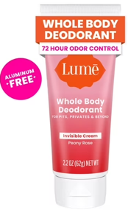 | 24 | brickseek $14.97 | 152,256 | $3.75
9050056002 | Lume Invisible Cream Tube Deodorant – Whole Body Deodorant for Arm, pits and Private - Aluminum-Free, Baking Soda Free, Hypoallergenic, Safe For Sensitive Skin – 2.2oz (Lavender Sage) | 850030360748 |  | 24 | ebay $29.99 for 4pk | 100,000 | $3.75
9050056102 | Lume Invisible Cream Tube Deodorant – Whole Body Deodorant for Arm, pits and Private - Aluminum-Free, Baking Soda Free, Hypoallergenic, Safe For Sensitive Skin – 2.2oz (Lavender Sage) | 850042058022 |  | 24 | smartsource $8.00 | 31,992 | $3.75
9050056004 | Lume Whole Body Women's Invisible Cream Tube Deodorant Toasted Coconut Scent - Aluminum-Free 2.2oz | 850030360762 |  | 24 | target $14.99 4.0 ratings 934 reviews | 50,000 | $3.75
9050056008 | Lume Cream Deodorant Tube - Minted Cucumber - Aluminum-Free 2.2oz | 850042058817 |  | 24 | target $14.99 4.6 ratings 219 reviews | 30,000 | $3.75
9050058110 | Lume Whole Body Deodorant Invisible Cream Travel Size Soft Powder 0.5oz | 850042058336 | 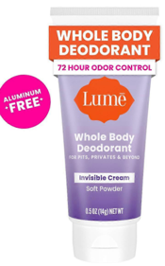 | 24 | ebay $23.95 for 4pk | 200,000 | $2.75
9050058102 | Lume Whole Body 72H Deodorant, Invisible Cream-Lavender Sage, Lotion-Like, 0.5oz | 850030360915 |  | 24 | vertextrade.cn $18.99 on sale $9.49 for 3pk | 425,000 | $2.75
9050054105 | Lume Acidified Body Wash - 24 Hour Odor Control - Removes Odor Better than Soap - Moisturizing Formula - Formulated Without SLS or Parabens - OB/GYN Developed - 7oz ounce (Peony Rose) | 850030360809 |  | 12 | lumedeorant $20.00 | 10,440 | $5.25
9050084621 | Mando Whole Body Deodorant Invisible Cream Unscented, 2.2oz | 850042058879 |  | 24 | ebay $17.95 | 78,768 | $3.75
9050084726 | Mando Whole Body Deodorant - Men's Aluminum-Free Invisible Cream Deodorant - Clover Woods - 2.2oz | 850042058862 |  | 24 | amazon $25.00 on sale $23.00 4.5 ratings 28 reviews | 100,000 | $3.75
9050084725 | Mando Whole Body Deodorant Invisible Cream Mount Fuji Scent 2.2oz | 850042058909 |  | 24 | ebay $17.95 | 100,000 | $3.75
9050084724 | Mando Whole Body Men's Invisible Cream Deodorant Bourbon Leather - Aluminum-Free 2.2oz | 850042058886 |  | 24 | target $14.99 4.0 ratings 365 reviews | 90,000 | $3.75
9050084723 | Mando Whole Body Men's Invisible Cream Deodorant Pro-Sport - Aluminum-Free 2.2oz | 850042058893 |  | 24 | target $14.99 4.0 ratings 311 reviews | 25,000 | $3.75
9050084924 | Mando Whole Body Men's Smooth Solid Deodorant Bourbon Leather - Trial Size - Aluminum-Free 0.5oz | 850042058916 | 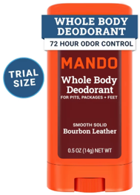 | 24 | target $3.99 4.2 ratings 418 reviews | 100,000 | $3.75
9050040101 | Harry's Trial Size 2in1 Shampoo 2oz (Refresh) | 810006471502 | 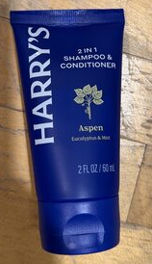 | 24 |  | 4,000 | $3.75
9050030701 | Harry's Shiso Body Wash 100ml/3.4oz | 810006477665 |  | 12 |  | 1,217 | $3.75
9050034301 | Harry's Citrus Grove Body Wash 3.4 Fl Oz Travel Size | 810006478020 |  | 12 | ebay $17.99 for 4pk | 6,831 | $3.75
9050034401 | Harry's Wildlands Body Wash - Trial Size - 3.4 fl oz | 810006478037 |  | 12 | target $2.99 4.7 ratings 814 reviews | 6,583 | $3.75
9050072901 | Harry's Wildlands Body Wash - Trial Size - 3.4 fl oz (Reform) | 810006478037 |  | 12 | target $2.99 4.7 ratings 814 reviews | 30,000 | $3.75
9050033901 | Flamingo Deep Nourishing Cream for Women - 24 Hour Moisturizing Body Cream for Dry Skin - 10 fl oz/300ml | 810006471526 | 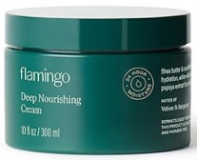 | 12 | amazon $12.00 4.5 ratings 586 reviews | 24,000 | $7.25
 |  |  |  |  |  | 2,416,087

